Sheet1
List Part Kebutuhan Heijunka Post Lamp

No | Item | Deskripsi | Kebutuhan | Harga | Total harga | Link
1 | Box Panel Plastik 150x200 x 130 mm + Base Plate Durabox Junction | 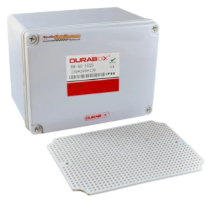 | 1 | Rp130,000 | Rp130,000 | https://www.tokopedia.com/indolistrik/box-panel-plastik-150x200-x-130-mm-base-plate-durabox-junction-murah
2 | Terminal Block / blok Kabel UK 3N Abu-abu TAB (model Weidmuller) | 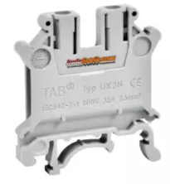 | 6 | Rp2,275 | Rp13,650 | https://www.tokopedia.com/indolistrik/terminal-block-blok-kabel-uk-3n-abu-abu-tab-model-weidmuller
3 | Stopper TAB tipe E/UK untuk terminal block / blok UK | 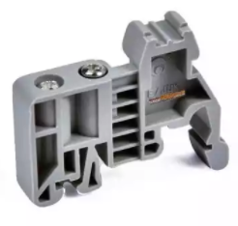 | 4 | Rp2,275 | Rp9,100 | https://www.tokopedia.com/indolistrik/stopper-tab-tipe-euk-untuk-terminal-block-blok-uk
4 | DIN Rail | 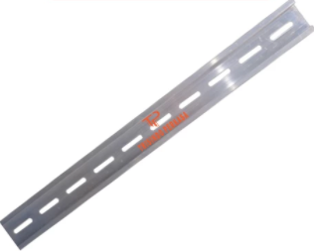 | 1 | Rp11,000 | Rp11,000 | https://www.tokopedia.com/trisindoperkasa/rel-mcb-alumunium-1-fungsi-din-rail-mcb
5 | Max7219 Led Dot Matrix 32x8 Display Module For Arduino max 7219 32x8 | 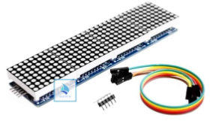 | 1 | Rp52,000 | Rp52,000 | https://www.tokopedia.com/snapshot_product?order_id=721310486&dtl_id=1077493621
6 | Real Time Clock DS3231 with battery RTC module | 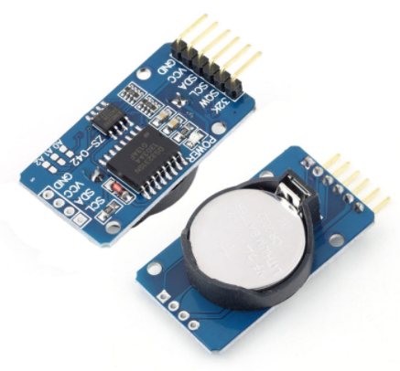 | 1 | Rp36,800 | Rp36,800 | https://www.tokopedia.com/cncstorebandung/rtc-ds3231-seri-sn-real-time-clock-i2c-battery-module
7 | BASE PLATE BOARD NODEMCU LUA WIFI ESP8266 BACKPLANE LOLIN | 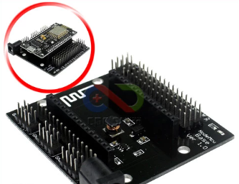 | 1 | Rp23,000 | Rp23,000 | https://www.tokopedia.com/cncstorebandung/cnc-base-plate-board-nodemcu-lua-wifi-esp8266-backplane-lolin
8 | NODEMCU LUA WIFI V3 4MB 32MBITS CH340 FLASH ESP8266 ESP12 BOARD | 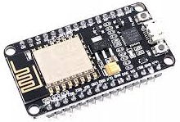 | 1 | Rp40,000 | Rp40,000 | https://www.tokopedia.com/cncstorebandung/cnc-nodemcu-lua-wifi-v3-4mb-32mbits-ch340-flash-esp8266-esp12-board
9 | MDR-20-12 Mean Well, DIN RAIL PSU, PSU 12V | 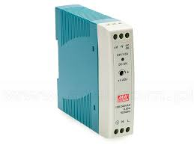 | 1 | Rp240,000 | Rp240,000 | https://www.tokopedia.com/netsnetworking/mdr-20-12-mean-well-din-rail-psu-psu-12v
10 | KABEL JUMPER FEMALE TO FEMALE 20PCS PANJANG 20CM | 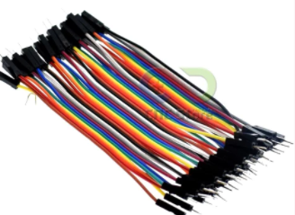 | 1 | Rp11,000 | Rp11,000 | https://www.tokopedia.com/ardushopid/kabel-jumper-female-to-female-20pcs-panjang-20cm-arduino
11 | JUMPER CABLE KABEL 10CM MALE TO FEMALE | 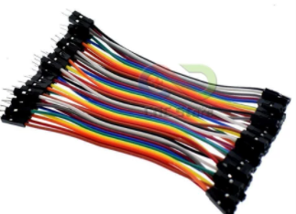 | 1 | Rp11,000 | Rp11,000 | https://www.tokopedia.com/cncstorebandung/cnc-40pcs-jumper-cable-kabel-10cm-male-to-female-dupont
12 | Jack male 12V DC | 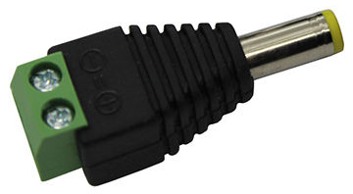 | 1 | Rp2,000 | Rp2,000 | Offline
13 | LAMPU ROTARY 12 VOLT DC 4 INCH WARNING LIGHT LAMP | 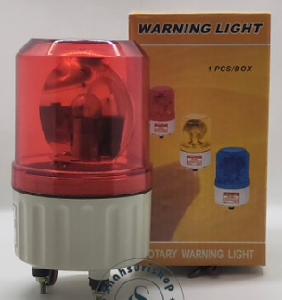 | 1 | Rp50,000 | Rp50,000 | https://www.tokopedia.com/shahsurishop/lampu-rotary-12-volt-dc-4-inch-warning-light-lamp
14 | box push button 30 mm BX1-30 (1 lubang) - Putih | 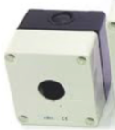 | 1 | Rp12,900 | Rp12,900 | https://www.tokopedia.com/zoelofficial/box-push-button-30-mm-bx1-30-1-lubang-putih
15 | Emergency Push Button Spring Return TAB PB3011M - Merah |  | 1 | Rp17,000 | Rp17,000 | https://www.tokopedia.com/indolistrik-com/emergency-push-button-spring-return-tab-pb3011m-merah
16 | Kabel Listrik 2x0.75 mm | 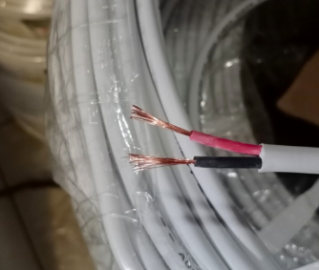 | 6 | Rp2,750 | Rp16,500 | https://www.tokopedia.com/mitragrosirjb/kabel-cargo-serabut-hitam-nyyhyo-2x0-75-mm2-tembaga-per-meter
Total |  |  |  |  | Rp675,950

